Bioregion Name list
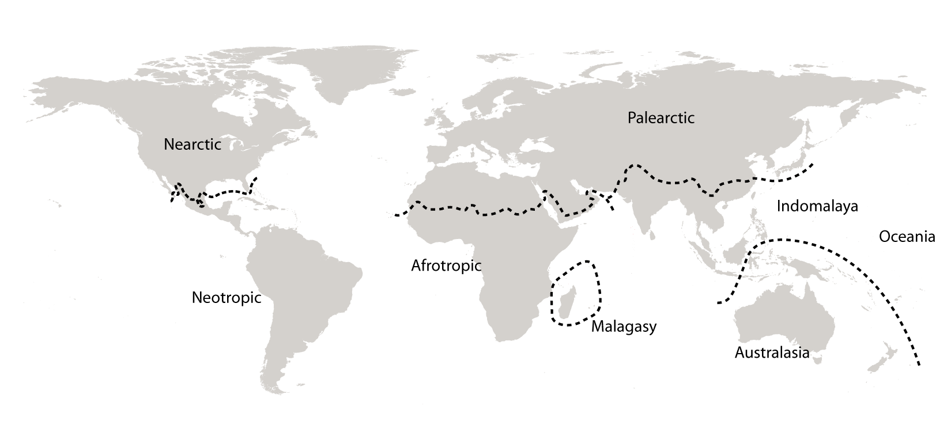
Bioregion | description: For limits in China and Mexico see map at:http://en.wikipedia.org/wiki/File:Ecozones.svg
Nearctic | including most of North America
Neotropic | including South America and the Caribbean
Palearctic | including the bulk of Eurasia and North Africa
Afrotropic | including Sub-Saharan Africa
Malagasy | Madagascar and Southwest Indian Ocean Islands including Seychelles, Comoros, Mascarenes
Indomalaya | including the Indian subcontinent and Southeast Asia
Australasia | including Australia, New Guinea, and neighboring islands. The northern boundary of this zone is known as the Wallace line.
Oceania | Pacific Ocean islands including Polynesia, Melanesia, Micronesia.

